6.Star Schema
Star Schema

Star Schema Image | Possible Star Schema Queries
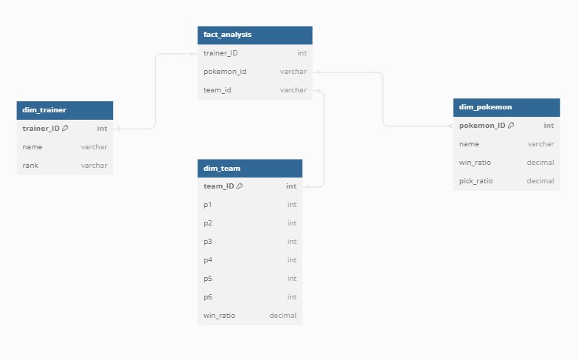 | Sno | Business Question Addressed | SQL query
 | 1 | Win ratio by trainer rank | SELECT dt.rank, AVG(dtm.win_ratio) AS avg_win_ratio FROM dim_trainer dt JOIN fact_analysis fa ON dt.trainer_ID = fa.trainer_ID JOIN dim_team dtm ON fa.team_id = dtm.team_ID GROUP BY dt.rank ORDER BY avg_win_ratio DESC;
 | 2 | Win ratio by pokemon | SELECT dp.name AS pokemon_name, AVG(dp.win_ratio) AS avg_win_ratio FROM dim_pokemon dp JOIN fact_analysis fa ON dp.pokemon_ID = fa.pokemon_id GROUP BY dp.name ORDER BY avg_win_ratio DESC;
 | 3 | Team win ratio by pokemon | SELECT dp.name AS pokemon_name, AVG(dtm.win_ratio) AS avg_team_win_ratio FROM dim_pokemon dp JOIN fact_analysis fa ON dp.pokemon_ID = fa.pokemon_id JOIN dim_team dtm ON fa.team_id = dtm.team_ID GROUP BY dp.name ORDER BY avg_team_win_ratio DESC;
 | 4
 | 5
 | 6

